Graph 1 - Bar Chart of Frequ
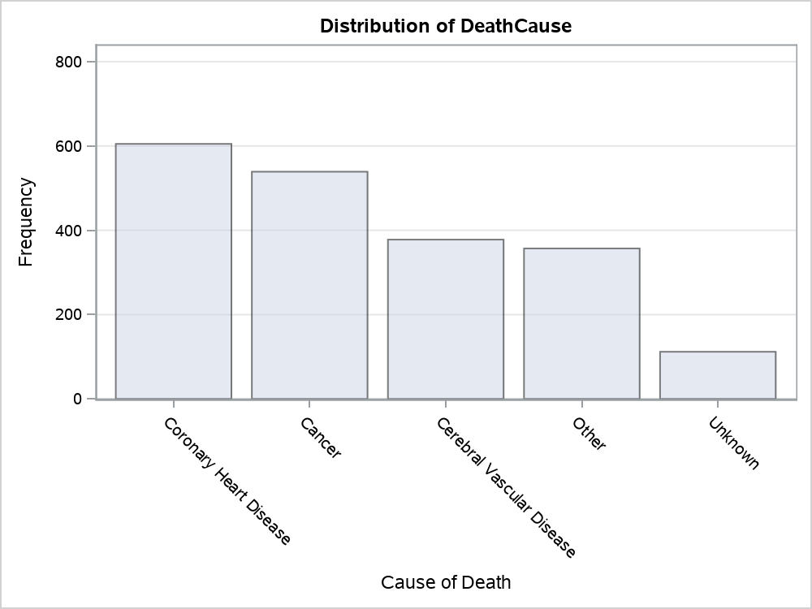

Graph 2 - Bar Chart of Frequ
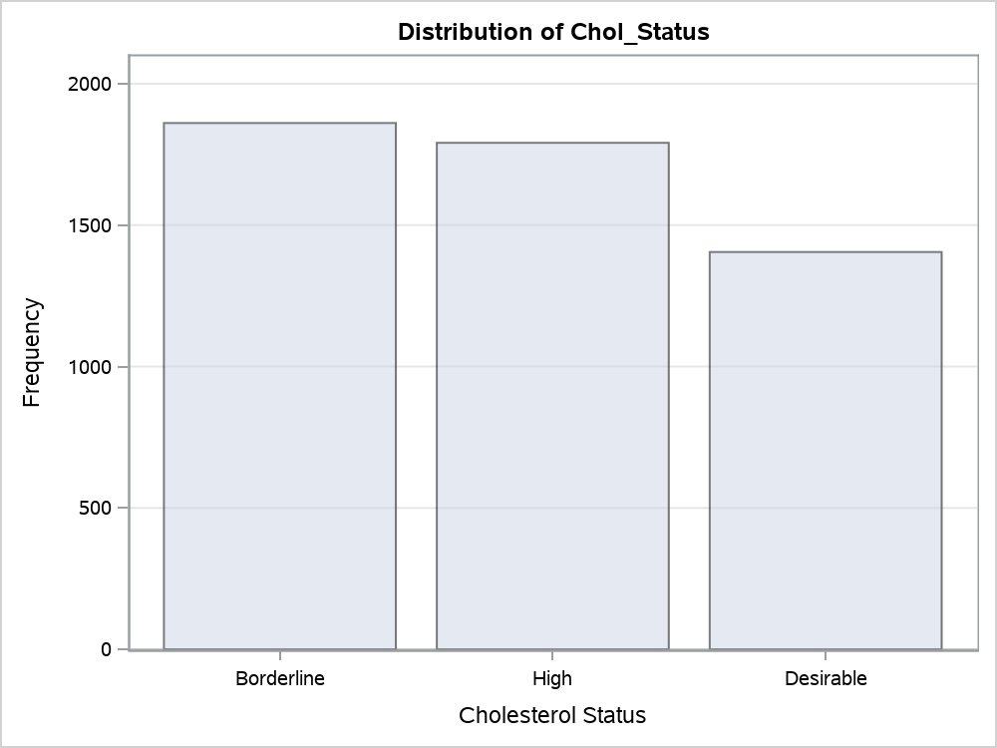

Graph 3 - Bar Chart of Frequ
